Sheet1
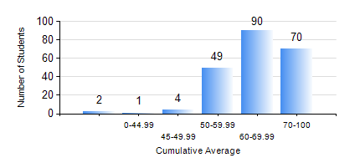
 |  |  | KWAME NKRUMAH UNIVERSITY OF SCIENCE AND TECHNOLOGY, KUMASI Department of Civil Engineering

 |  |  | BSC. CIVIL ENG.

 |  |  | COMPREHENSIVE RECORD OF EXAMINATION RESULTS

 |  |  | RESULTS OF YEAR 4 SECOND SEMESTER, 2021/2022 ACADEMIC YEAR

 | Sn | Course Code |  | Course Name | Credit Hours | Min. Mark | Max. Mark | Avg. Mark | Std. Dev. | No. Passed | No. Trailed | No. (Df) | No. (I) | No. (I*) | No. Tagged(I,I*,Df) | Total
 | 0. |  |  |  |  |  |  | 0 | 0 | 0 | 0 | 0 | 0 | 0 | 0 | 2
 | 1. | CE 456 |  | STRUCTURAL DYNAMICS | 3 | 0 | 89 | 67 | 14.06 | 62 | 1 | 0 | 0 | 0 | 0 | 63
 | 2. | CE 458 |  | WATER RESOURCES ENGINEERING II | 3 | 0 | 93 | 75 | 11.13 | 179 | 1 | 0 | 0 | 0 | 0 | 180
 | 3. | CE 462 |  | CONSTRUCTION MANAGEMENT | 3 | 0 | 97 | 75 | 16.17 | 208 | 6 | 0 | 0 | 0 | 0 | 214
 | 4. | CE 464 |  | ENVIRONMENTAL QUALITY ENGINEERING II | 3 | 52 | 96 | 77 | 10.54 | 140 | 0 | 0 | 0 | 0 | 0 | 140
 | 5. | CE 468 |  | TRANSPORTATION ENGINEERING | 3 | 0 | 90 | 67 | 13.44 | 207 | 1 | 0 | 0 | 0 | 0 | 208
 | 6. | CE 476 |  | SYSTEMS ENGINEERING II | 3 | 40 | 94 | 69 | 15.64 | 13 | 0 | 0 | 0 | 0 | 0 | 13
 | 7. | CE 478 |  | GROUND ENGINEERING | 3 | 45 | 90 | 72 | 10.8 | 38 | 0 | 0 | 0 | 0 | 0 | 38
 | 8. | CE 498 |  | PROJECT | 4 | 0 | 90 | 74 | 9.47 | 211 | 1 | 2 | 0 | 0 | 2 | 214

